Application URL

MAIN PROJECT
Batch :S25
Website:
https://katalon-demo-cura.herokuapp.com/
Prepared By: Minha Sanoob

Bug sheet
Bug ID | Test Case ID | Bug Title | Bug Description | Step to Reproduce | Test Data | Expected Result | Actual Result | Priority | Severity | Visual Proof | Environment | Platform | Device | Assignee | Status | Comments | Verified By
BUG_DATE_001 | DATE_N_009 | System allows appointment booking with a past date | The application allows the user to book an appointment by entering a date that has already passed. A past appointment date should not be accepted for a new appointment. | 1. Login with valid credentials. 2. Open Make Appointment https://katalon-demo-cura.herokuapp.com/#appointment 3. Select Facility. 4. Select Healthcare Program. 5. Enter/select a past date. 6. Click Book Appointment. 7. Check the result. | Visit Date: 01/01/2020 | System should reject the past appointment date and prevent the user from booking an appointment for a date that has already passed. | Past date is accepted and the appointment is successfully submitted. Appointment Confirmation is displayed. | P1 | High | 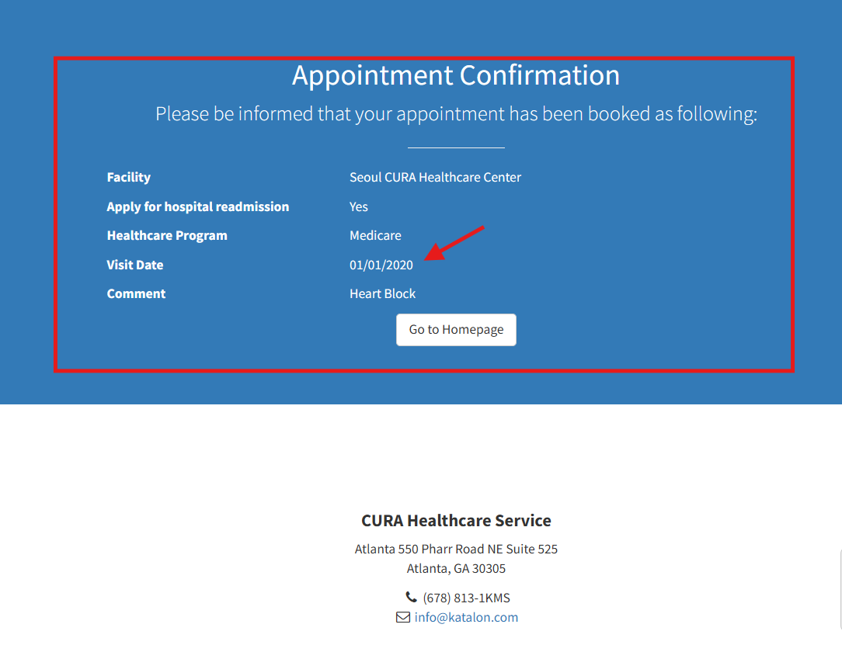 | 25/09/2026 | Windows 11 | Dell | Developer | Open | Functional validation issue. Past dates should be restricted or rejected. | Minha Sanoob
BUG_HISTORY_001 | HISTORY_NEG_005 | Appointment history is removed after logout and subsequent login | Previously booked appointment information is not retained in the History page after the user logs out and logs in again using the same credentials. | 1. Login with valid credentials. 2. Open Make Appointment https://katalon-demo-cura.herokuapp.com/#appointment 3. Book an appointment with valid details. 4. Verify Appointment Confirmation. 5. Open History and verify the appointment. 6. Click Logout. 7. Login again using the same credentials. 8. Open History.9. Check the previously booked appointment. | Username: John DoePassword: ThisIsNotAPasswordValid appointment details | Previously booked appointment should remain available in the History page after logout and subsequent login. Appointment details should not be removed. | After logout and subsequent login, the previously booked appointment is completely removed from the History page and no appointment record is displayed. | P0 | Critical | 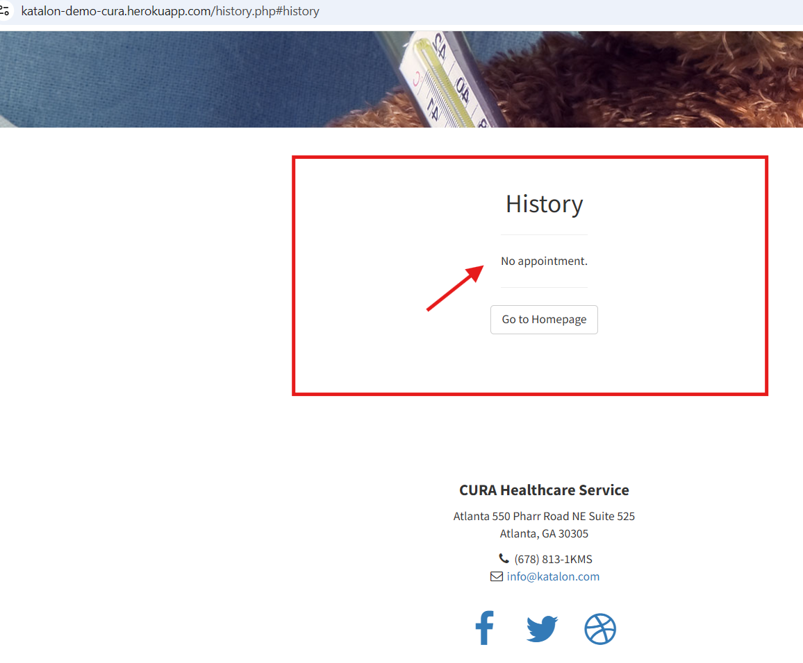 | 25/09/2026 | Windows 11 | Dell | Developer | Open | Data persistence issue. Appointment history should be retained for the user after logout/login. | Minha Sanoob

